DATA
Site: |  |  |  |  |  |  |  |  |  | Parameter | Corrected | Rejected |  | Linear Drift Correction |  | pH4 = | 4.25 | Turbidity Standard | Turbidity Reading
LTD Type/# |  | Dataset Comments: |  |  |  |  |  | Comments: Should Reflect Qualifiers (if used) |  |  | Qualifier | Qualifier |  | Parameter: | pH su | pH7 = | 7.20 | 0 | 0.5
Lat/Long: |  |  |  |  |  |  |  |  |  | Temp, °C | CT | RT |  | Start Date+Time: | 8/6/21 | pH10 = | 10.10 | 100
Parameter |  | T (C°) | SC (µS/cm) | DO Sat (%) | DO Conc (mg/L) | pH (su) | Turb (NTU) | * | * | SC µS/cm | CSC | RSC |  | Stop Date+Time: | 8/17/21 | mmHg: | 650 | 1000 | 1070
Correct!
Assessability |  |  |  |  |  |  |  | Codes: Both= either FS or NS, Non= NS only, Neither=Not Assessable |  | DO, % | C% | R% |  | Interval: | 1:00:00 | Count: | 265.75
Average |  |  |  |  |  |  |  | Note: Summary statistics do not include Rejected Data |  | DO, mg/L | CDO | RDO |  | Correction Amount: | -0.74 | Slope: | -0.00278
Maximum |  |  |  |  |  |  |  | Rejected: Based on instrument vericfication beyond Maximum Allowable Limits, exposure/burial, or malfunction |  | pH | CPH | RPH
Minimum |  |  |  |  |  |  |  |  |  | Turb, NTU | CY | RY
DATE | DATE+TIME | Temp | SpCond | DO Sat | DO Conc | pH | Turbidity | Qualifier | Comments |  |  |  |  |  |  |  | Drift Correction Instructions
 |  |  |  |  |  |  |  |  |  |  | MACROS |  |  |  |  |  | 1. Copy and paste data into the data fields to the left.
Import Thermograph
QC LTD Data
 |  |  |  |  |  |  |  |  |  |  |  |  |  |  |  |  | 2. Select parameter from drop down list (Cell S2).
 |  |  |  |  |  |  |  |  |  |  |  |  |  |  |  |  | 3. Enter time series start/stop times and interval.
Import DOlog.csv File
Run 4T3/6T3/MWAT
 |  |  |  |  |  |  |  |  |  |  |  |  |  |  |  |  | 4. Enter correction amount (upwards positive, downwards negative), except pH and Turbidity.
 |  |  |  |  |  |  |  |  |  |  |  |  |  |  |  |  | 5. For pH and Turbidity correction, enter the standard reading values.
Import Sonde File
Calculate Delta DO
 |  |  |  |  |  |  |  |  |  |  |  |  |  |  |  |  | 6. For DO correction, enter local barometric pressure to nearest 10 mmHg at deployment.
 |  |  |  |  |  |  |  |  |  |  |  |  |  |  |  |  | 7. Press Correct! key. Corrected data will populate column K.
Import Previous UL
Run Turbidity Results
Save/Create Upload

 |  |  |  |  |  |  |  |  |  |  | Temp Stats Results (C°) |  | If you cannot find the saved file, check the My Documents folder on your PC
 |  |  |  |  |  |  |  |  |  |  | 4T3
 |  |  |  |  |  |  |  |  |  |  | 6T3
 |  |  |  |  |  |  |  |  |  |  | MWAT
 |  |  |  |  |  |  |  |  |  |  | Max 24hr ΔDO (mg/L)
 |  |  |  |  |  |  |  |  |  |  | Result
 |  |  |  |  |  |  |  |  |  |  | Turbidity Min (NTU)
 |  |  |  |  |  |  |  |  |  |  | 3 Day
 |  |  |  |  |  |  |  |  |  |  | 4 Day
 |  |  |  |  |  |  |  |  |  |  | 5 Day
 |  |  |  |  |  |  |  |  |  |  | 6 Day
 |  |  |  |  |  |  |  |  |  |  | 7 Day
 |  |  |  |  |  |  |  |  |  |  | 14 Day
 |  |  |  |  |  |  |  |  |  |  | 30 Day

Charts
Temperature (degrees C) and Specific Conductance (uS/cm)
 | TempC | temperature rate (ABS) | Rejected - Temp | SpCond

Dissolved O2 saturation (%) and concentration (mg/L)
 | ODOSat | ODO Conc

pH (su) and Turbidity (NTU)
 | pH | Turbidity

Documentation
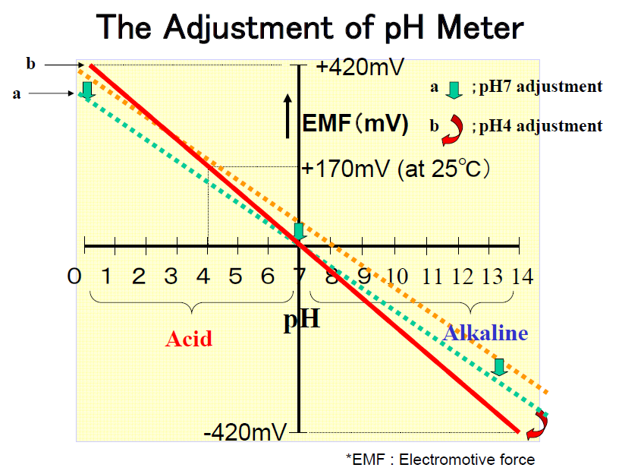
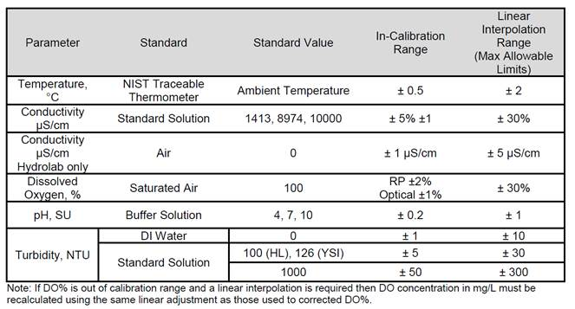

pH Correction:
pH probes are composed a reference electrode and an H+ ion sensitive electrode. The voltage potential between the two electrodes (E) is related to the decimal logarithm of the reciprocal
of Hydrogen Ion activity (pH) by a linear equation. Therefore calibration corrections applied to pH data are linear in nature.

The point of zero potential between the electrodes (E=0) occurs in a perfectly neutral solution, a pH of 7 (roughly, depending on temperature). Deviation from
a pH of 7 is corrected by applying on offset to the y-intercept in the equation. This, in effect, shifts the entire line up or down (the green arrow in the figure below).
Deviation from a pH of 4 or 10 (or any other combination of standards used) involves adjusting the slope of the equation (the red arrow).
In the correction routine in this spreadsheet, the y-intercept correction is applied first followed by the slope correction for both pH 10 and 4 (if applicable).

