Sheet1
Tools Needed Checklist |  |  |  |  |  |  |  |  |  | Check box
1 | Long measuring tape (You’ll need it to be long enough to reach the bottom of your well) Or electronic water level meter.
2 | Bailer(s): A 5 ft section of 2 or 3 inch PVC pipe with a check valve on one end and a wire loop on the other allowing you to lower it down the well with rope and pull it up full of water. Or Submersible Pump: A portable generator/battery may be required if an electrical source is not available.
3 | Sample containers: Clean plastic gallon containers or sample bottles supplied by the lab. The number of containers you need will depend on the lab’s requirements, contact the lab for instructions. Generally, you can use one container for Total Kjedahl Nitrogen (TKN) and Nitrate (NO3-N) and another for Total Dissolved Solids (TDS) and Chloride (Cl).
4 | Distilled water (DI) and bucket
5 | Gloves
6 | Pen, Paper, Calculator
7 | Copy of your discharge permit with a site map and monitoring well (MW) logs
8 | Cooler with Ice
Tips for using a Bailer |  |  |  |  |  |  | Generalized MW Schematic
1 | Before lowering the bailer into the well check to see that it is securely fastened to the rope. Secure the other end of the rope to prevent losing the bailer down the well. |  |  |  |  |  | 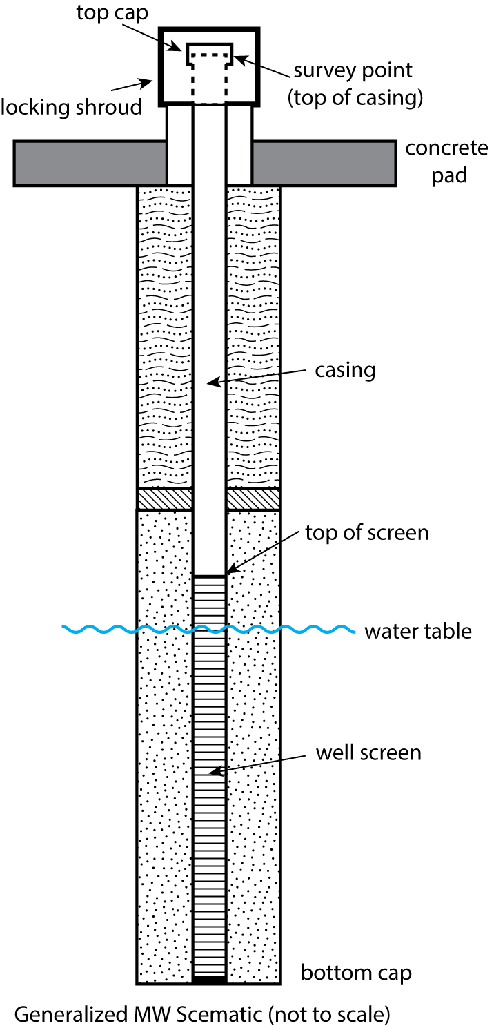
2 | Lower the bailer into the well in a controlled manner until it hits the water. (You will either hear it hit the water or feel the difference in the tension of the rope.)
3 | Lower the bailer a few more feet and allow it to fill with water. Try to keep the bailer near the surface of the water to prevent collecting sediment.
4 | Repeat the process as many times as necessary to purge and sample required volume.
5 | If you are sampling alone, use the tarp to keep your rope and bailer from touching the soil.
6 | Test the check valve periodically to prevent clogging.
Example Sample Label

 | Site Name: |  |  | DP #:

 | Sample Location (e.g. MW-1):

 | Sampled for (e.g. nitrate):

 | Sampled by:

 | Date: |  |  | Time:

Sampling Procedures
1 | Review your discharge permit and monitoring well information and note the following: 1) Monitoring requirements (e.g. ground water and/or wastewater) and reporting due dates 2) Required sampling constituents (e.g. TKN, Nitrate, TDS, Cl). 3) Number and location of monitoring well(s). Start at the upgradient monitoring well 4) Record Total Well Depth, as taken from monitoring well log in Column D of Table 2
2 | Select lab and contact lab (if needed) for specific procedures or requirements (e.g. sample preservation).
3 | Prep Equipment. Review checklist and make sure equipment is clean
4 | Label sample containers with waterproof marker and sure you include all information required by the lab. Example of a sample label is provided below.
5 | Locate Monitoring wells and set up a clean tarp or plastic sheet around well. Use this sheet to keep your equipment and samples from touching the soil.
6 | Determine depth to standing water in the well: A) Coat the bottom 2-3 ft. of the measuring tape with carpenter chalk and lower the tape at least 2 ft. past the reported depth to water for that well as recorded on the well log B) Hold the tape against the well casing and measure the value at the top of the casing. Record in column A in Table 2. Remove tape from well and note value at the water line marked on chalked tape in column B in Table 2 below C) Subtract the values measured in 6.B to calculate depth to water. Record value in Column C of Table 2.
7 | Determine depth to standing water in the well: A) Take the total well depth (step 1.D) of well minus the depth to water (step 6.D) water to calculate the linear feet of water in the well. Record the value in Column E of Table 2. B) Measure the inside diameter of the well (record in Column F of table 2) and match the well diameter to the appropriate Gallons of Water Per Linear Foot value (record in Column G of table 2) using Table 1 on this worksheet. Multiply this value by the linear feet of water in well (Step 7.A). Record the value in Column H of Table 2.
8 | Calculate volume of water to be purged by multiplying the volume of water in the well (determined in step 7.B) by three. Record the value in Column I of Table 2.
9 | Using a bailer or pump, purge the well volume as calculated in step 8. Use a bucket with a known volume (i.e. 5 gallon bucket) to keep track of how many gallons you have purged.
10 | After purging the required volume calculated in step 8, collect your sample using a bailer or pump to fill sample containers from Lab. Record time of sampling on container label.
11 | Follow sample preservation procedures provided by lab and place sample in cooler with ice.
12 | Close and secure well casing with lock and decontaminate equipment before moving to next well A) Rinse off the tape or device you used to measure the depth to water using distilled (DI) water. B) If possible, use a different bailer/new rope for each well. Otherwise thoroughly rinse using DI water before using again. If using a pump, run DI water through the pump and tubing before pumping another well.
13 | Sample other wells using above procedures.
14 | Send your samples to the lab. To ensure accurate results, ensure samples are delivered to the lab within 24 hours of collection.
15 | Send a copy of the monitoring reports to the Ground Water Quality Bureau

Table 1: Well Volumes, volumes of casing
Inside diameter of well in Inches |  | 1 | 1.5 | 2 | 3 | 4 | 6 | 8 | 10 | 12

Volume in Gallons per Linear Foot |  | 0.04 | 0.1 | 0.17 | 0.38 | 0.66 | 1.5 | 2.6 | 4.09 | 5.81

Table 2: Purge Calculator*
Monitoring well # |  | A** Top of Well Casing (Step 6.B) | B** Water Line (Step 6.C) | C** Depth to Water (A-B) (Step 6.D) | D** Total Well Depth (Step 1.4) | E Liner Feet of Water in well (D-C) (Step 7.A) | F Diameter of well (Step 7.B) | G Gallons of water per liner foot (Step 7.B) | H Volume of Water in Well (G X E) (Step 7.B) | I Purge Volume in gallons (H X 3)
1 |  |  |  | 0.0 |  | 0.0 |  |  | 0.0 | 0.0
2 |  |  |  | 0.0 |  | 0.0 |  |  | 0.0 | 0.0
3 |  |  |  | 0.0 |  | 0.0 |  |  | 0.0 | 0.0
4 |  |  |  | 0.0 |  | 0.0 |  |  | 0.0 | 0.0
5 |  |  |  | 0.0 |  | 0.0 |  |  | 0.0 | 0.0
 |  |  |  | 0.0 |  | 0.0 |  |  | 0.0 | 0.0
 |  |  |  | 0.0 |  | 0.0 |  |  | 0.0 | 0.0
 |  |  |  | 0.0 |  | 0.0 |  |  | 0.0 | 0.0
 |  |  |  | 0.0 |  | 0.0 |  |  | 0.0 | 0.0
 |  |  |  | 0.0 |  | 0.0 |  |  | 0.0 | 0.0
 |  |  |  | 0.0 |  | 0.0 |  |  | 0.0 | 0.0
 |  |  |  | 0.0 |  | 0.0 |  |  | 0.0 | 0.0
*If using in an open excel file, the purge calculator will automatically calculate values shaded in blue. Otherwise follow the sampling procedures on the previous page to calculate your well purge volume.
** units are in feet

